OFFER
MARC JACOBS ATS

PHOTOS | PHOTOS | MODEL | CAT. DESC. | MOD. DESC. | GROUP | NAME | COL. DESC. | Q.TY | RRP | COST
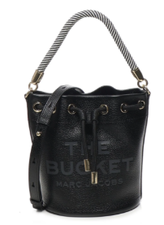 |  | H652L01PF22-001 | 1.1.1 Handbags | BUCKET | LEATHER BUCKET BAG | THE BUCKET | BLACK | 5 | 475.00 € | 181.30 €
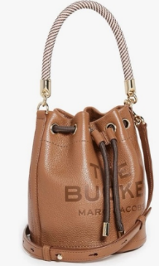 | 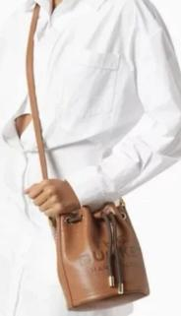 | H652L01PF22-212 | 1.1.1 Handbags | BUCKET | LEATHER BUCKET BAG | THE BUCKET | ARGAN OIL | 94 | 475.00 € | 181.30 €
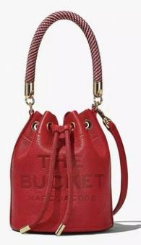 |  | H652L01PF22-617 | 1.1.1 Handbags | BUCKET | LEATHER BUCKET BAG | THE BUCKET | TRUE RED | 168 | 475.00 € | 181.30 €
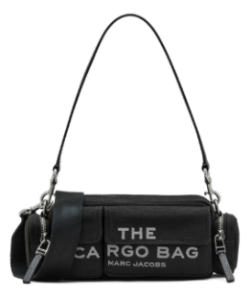 | 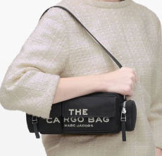 | 2P5HSH025H03-001 | 1.1.1 Handbags | CARGO BAG | CARGO CANVAS BAG | THE CARGO SHOULDER | BLACK | 94 | 295.00 € | 112.60 €
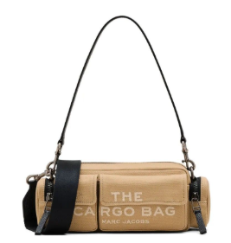 |  | 2P5HSH025H03-230 | 1.1.1 Handbags | CARGO BAG | CARGO CANVAS BAG | THE CARGO SHOULDER | CAMEL | 65 | 295.00 € | 112.60 €
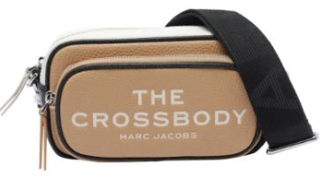 | 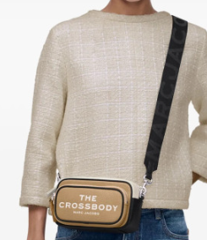 | 2P5HCR006H02-233 | 1.1.1 Handbags | CROSSBODY BAG | CB LEATHER CROSSBODY BAG | THE CROSSBODY | CAMEL MULTI | 135 | 295.00 € | 112.60 €
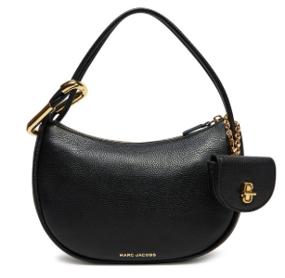 | 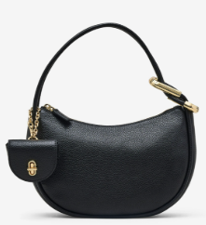 | 2S5HSH005H02-001 | 1.1.1 Handbags | DUAL | LEATHER DUAL BAG | THE HOBO | BLACK | 43 | 475.00 € | 181.30 €
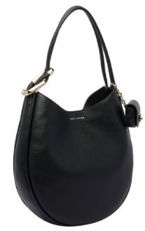 | 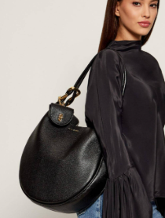 | 2P5HSH010H02-001 | 1.1.1 Handbags | DUAL | LEATHER DUAL BAG | THE LARGE HOBO | BLACK | 178 | 595.00 € | 227.10 €
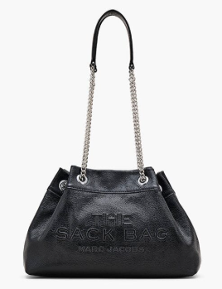 |  | 2P5HSH030H02-001 | 1.1.1 Handbags | SACK BAG | LEATHER CHAIN SACK BAG | THE CHAIN SACK | BLACK | 45 | 475.00 € | 181.30 €
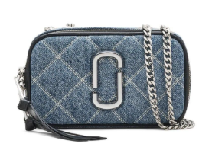 | 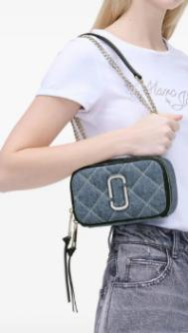 | 2P5HCR013H03-416 | 1.1.1 Handbags | SOFTSHOT | QUILTED DENIM SOFTSHOT | THE SOFTSHOT | LIGHT WASH INDIGO | 6 | 350.00 € | 133.59 €
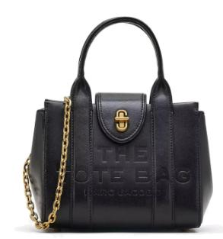 | 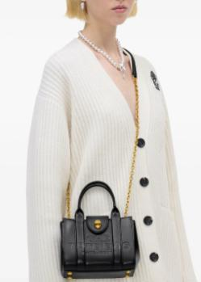 | 2F4HCR015H04-001 | 1.1.1 Handbags | TOTE BAG | LEATHER TURNLOCK TOTE BAG | THE CROSSBODY TOTE | BLACK | 34 | 475.00 € | 181.30 €
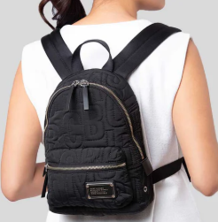 | 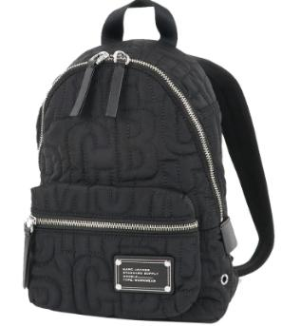 | 4S4HBP002H02-001 | 1.1.1 Handbags | WORKWEAR | NYLON JUMBLED LOGO WORKWEAR | SMALL BACKPACK | BLACK | 72 | 275.00 € | 104.96 €
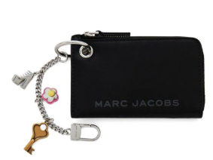 | 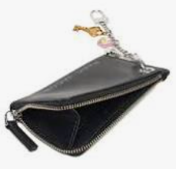 | 2S5SCH013S01-001 | 1.1.2 Small Leather Goods | BAG CHARM | LEATHER COIN PURSE BAG CHARM SLG | THE COIN PURSE CHARM | BLACK | 1 | 180.00 € | 68.70 €
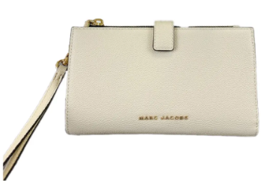 | 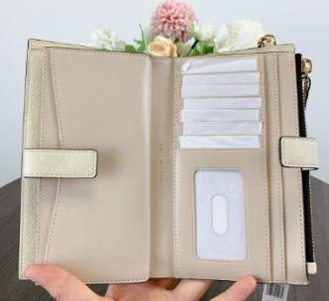 | S107M06RE22-102 | 1.1.2 Small Leather Goods | DAILY SLGS | DAILY SLG | BRB PHONE WRISTLET | MARSHMALLOW | 1 | 225.00 € | 85.88 €
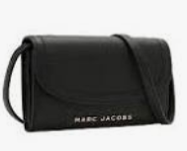 | 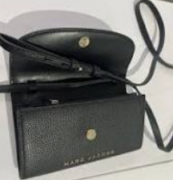 | 4P4SMN002S01-001 | 1.1.2 Small Leather Goods | GROOVE SLGS | GROOVE SLG | CROSSBODY WALLET | BLACK | 115 | 295.00 € | 112.60 €
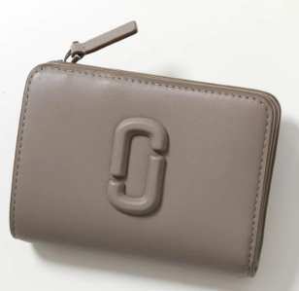 | 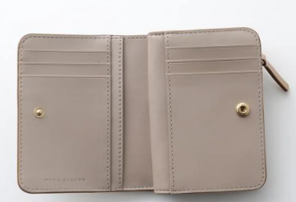 | 2S4SMP007S02-055 | 1.1.2 Small Leather Goods | J MARC SLGS | LEATHER COVERED J MARC SLG | THE MINI COMPACT WALLET | CEMENT | 90 | 180.00 € | 68.70 €
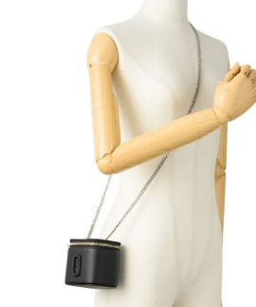 | 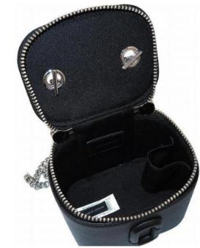 | 2F4SMN095S02-001 | 1.1.2 Small Leather Goods | J MARC SLGS | LEATHER COVERED J MARC SLG | THE MINI VANITY BAG | BLACK | 15 | 195.00 € | 74.43 €
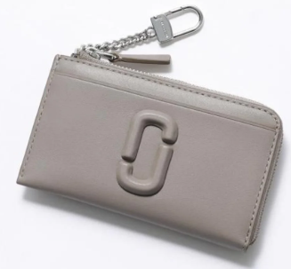 | 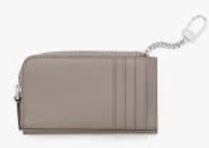 | 2S4SMP008S02-055 | 1.1.2 Small Leather Goods | J MARC SLGS | LEATHER COVERED J MARC SLG | THE TOP ZIP MULTI WALLET | CEMENT | 21 | 150.00 € | 57.25 €
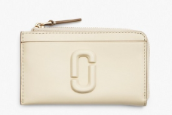 | 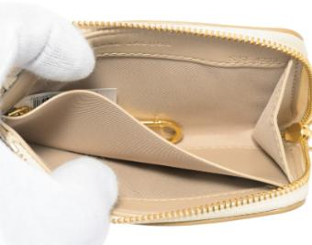 | 2S4SMP008S02-123 | 1.1.2 Small Leather Goods | J MARC SLGS | LEATHER COVERED J MARC SLG | THE TOP ZIP MULTI WALLET | CLOUD WHITE | 15 | 150.00 € | 57.25 €
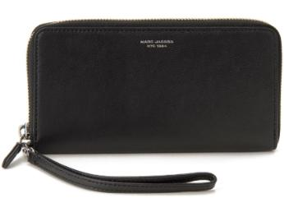 | 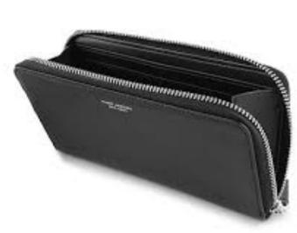 | S171L03FA22-001 | 1.1.2 Small Leather Goods | SLIM 84 SLGS | LEATHER SLIM 84 SLG | THE CONTINENTAL WRISTLET | BLACK | 21 | 220.00 € | 83.97 €
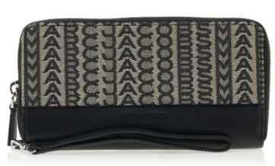 | 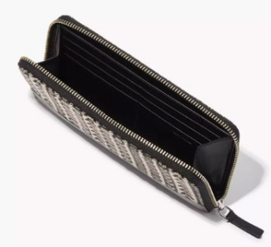 | S180M12FA22-261 | 1.1.2 Small Leather Goods | SLIM 84 SLGS | MONOGRAM JACQUARD SLIM 84 SLG | THE CONTINENTAL WRISTLET | BEIGE MULTI | 31 | 235.00 € | 89.69 €
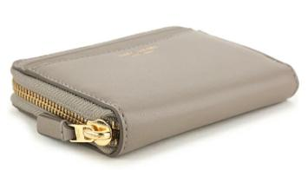 | 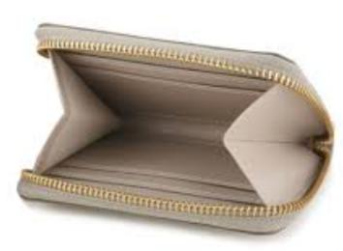 | S178L03FA22-055 | 1.1.2 Small Leather Goods | SLIM 84 SLGS | LEATHER SLIM 84 SLG | THE ZIP AROUND WALLET | CEMENT | 22 | 135.00 € | 51.53 €
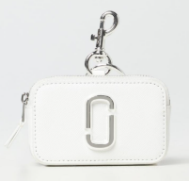 | 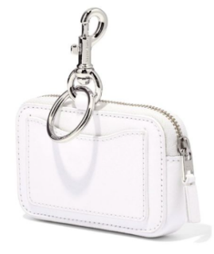 | 2P3SCP051S01-100 | 1.1.2 Small Leather Goods | SNAPSHOT SLGS | SNAPSHOT SLG | THE NANO SNAPSHOT CHARM | WHITE | 276 | 115.00 € | 43.89 €
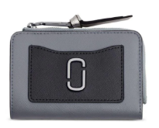 | 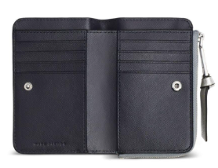 | 2F3SMP061S07-046 | 1.1.2 Small Leather Goods | SNAPSHOT SLGS | UTILITY SNAPSHOT SLG | THE SLIM BIFOLD | WOLF GREY MULTI | 44 | 180.00 € | 68.70 €
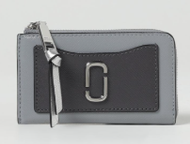 |  | 2F3SMP063S07-046 | 1.1.2 Small Leather Goods | SNAPSHOT SLGS | UTILITY SNAPSHOT SLG | THE TOP ZIP MULTI WALLET | WOLF GREY MULTI | 65 | 150.00 € | 57.25 €
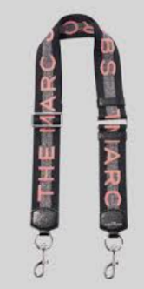 |  | M0014087-273 | 1.1.2 Small Leather Goods | STRAPS | WEBBING STRAP | MARC JACOBS WEBBING STRAP | SWEET PEA | 174 | 95.00 € | 36.26 €
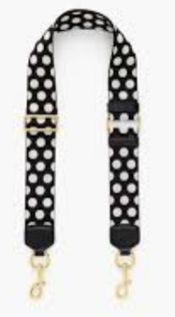 |  | S309M06SP21-002 | 1.1.2 Small Leather Goods | STRAPS | Webbing Straps | MEDIUM POLKA DOT STRAP | BLACK MULTI | 267 | 105.00 € | 40.08 €
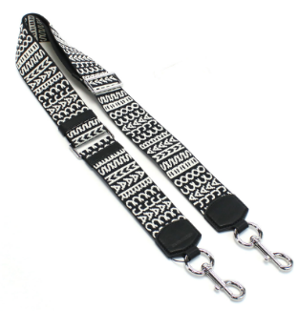 |  | S383M12FA22-005 | 1.1.2 Small Leather Goods | STRAPS | MONOGRAM JACQUARD STRAP | THE REPEAT STRAP | BLACK/WHITE | 57 | 150.00 € | 57.25 €
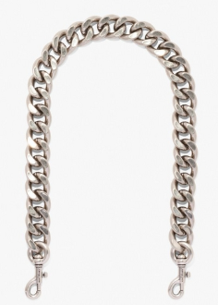 |  | S378M06RE22-042 | 1.1.2 Small Leather Goods | STRAPS | CHAIN STRAP | THE SHOULDER STRAP | NICKEL | 316 | 115.00 € | 43.89 €
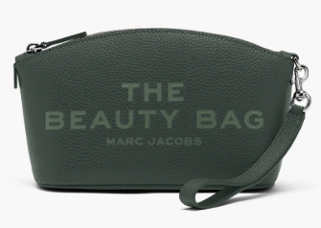 |  | 2R4SCP003S02-308 | 1.1.2 Small Leather Goods | THE ITEM SLGS | LEATHER THE ITEMS SLG | THE BEAUTY BAG | IVY | 11 | 115.00 € | 43.89 €
 |  | 2F4SMP005S02-039 | 1.1.2 Small Leather Goods | THE ITEM SLGS | METALLIC THE ITEMS SLG | THE MINI COMPACT WALLET | METALLIC SILVER | 52 | 180.00 € | 68.70 €
 |  | 2F3SCP005S07-140 | 1.1.2 Small Leather Goods | THE ITEM SLGS | LEATHER THE ITEMS SLG | THE NANO TOTE CHARM | COTTON/SILVER | 14 | 150.00 € | 57.25 €
 |  | 2F3SCP005S07-666 | 1.1.2 Small Leather Goods | THE ITEM SLGS | LEATHER THE ITEMS SLG | THE NANO TOTE CHARM | PETAL PINK | 60 | 150.00 € | 57.25 €
 |  | 2F3SCP005S07-691 | 1.1.2 Small Leather Goods | THE ITEM SLGS | LEATHER THE ITEMS SLG | THE NANO TOTE CHARM | FLURO CANDY PINK | 18 | 150.00 € | 57.25 €
 |  | 2S5SMN016S01-001 | 1.1.2 Small Leather Goods | THE ITEM SLGS | LEATHER THE ITEMS SLG | THE NANO TOTE CROSSBODY | BLACK | 40 | 180.00 € | 68.70 €
 |  | 2F4SMN006S02-040 | 1.1.2 Small Leather Goods | THE MINI BAG | METALLIC THE ITEMS SLG | THE MINI BAG | SILVER | 63 | 275.00 € | 104.96 €
 |  | 2R4JNC001J57-029 | 1.2.3 Jewelry | BALLOON | BALLOON | MARC JACOBS BALLOON NECKLACE | LIGHT ANTIQUE SILVER | 6 | 195.00 € | 74.43 €
 |  | 2R4JNC001J38-972 | 1.2.3 Jewelry | BUTTON | BUTTON ENAMEL | BUTTON PENDANT NECKLACE | GOLD/BLACK | 12 | 105.00 € | 40.08 €
 |  | 2R4JER001J35-109 | 1.2.3 Jewelry | BUTTON | BUTTON ENAMEL | BUTTON STUD EARRINGS | GOLD/CREAM | 61 | 70.00 € | 26.72 €
 |  | 2R4JRN001J41-047 | 1.2.3 Jewelry | BUTTON | BUTTON ENAMEL | MARC JACOBS ENAMEL RING | SILVER/BLACK | 28 | 75.00 € | 28.63 €
 |  | 2R3JNC001J78-059 | 1.2.3 Jewelry | TOTE JWL | PAVE TOTE JWL | KIKI ANKLE BOOT NECKLACE | SILVER/CRYSTAL | 25 | 150.00 € | 57.25 €
 |  |  |  |  |  |  |  | 2,860

